Component percentages
SOURCE | Housing Economics.com
 | Cost of Constructing a Home
 | http://admin.nahb.org/generic.aspx?sectionID=734&genericContentID=271883&channelID=311
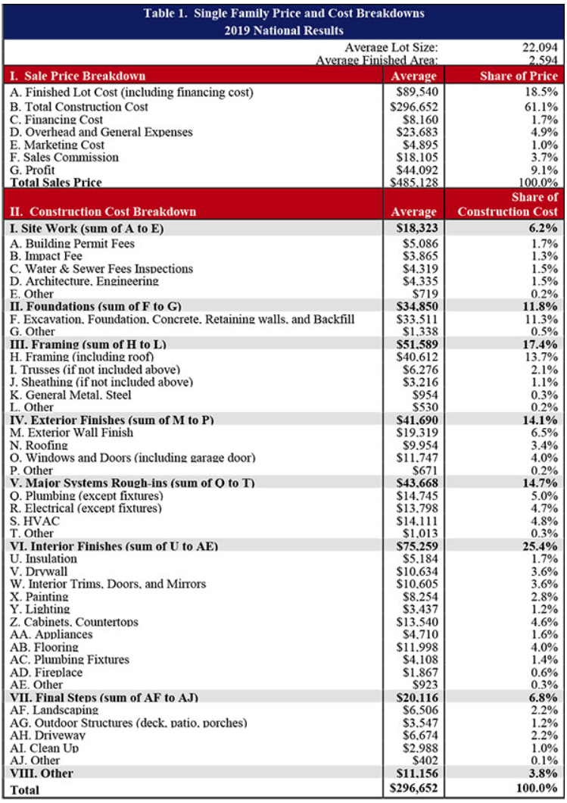
 | Table 1
 | 2019

The table includes an entry for "HVAC," but we need to divide it into
heating and cooling/ventilation. We use the energy use division for
residential buildings in Canada between heating and cooling to
obtain these fractions:
heating | 0.965
cooling and ventilation | 0.035

Component for model | Categories from Table 1 | % of construction price
heating | HVAC | 0.046
cooling and ventilation | HVAC | 0.002
envelope | exterior finishes, insulation, drywall, sheathing | 0.057 | insulation, windows and doors
lighting | lighting | 0.012
appliances | appliances | 0.016
other

